DC404
SPEC.
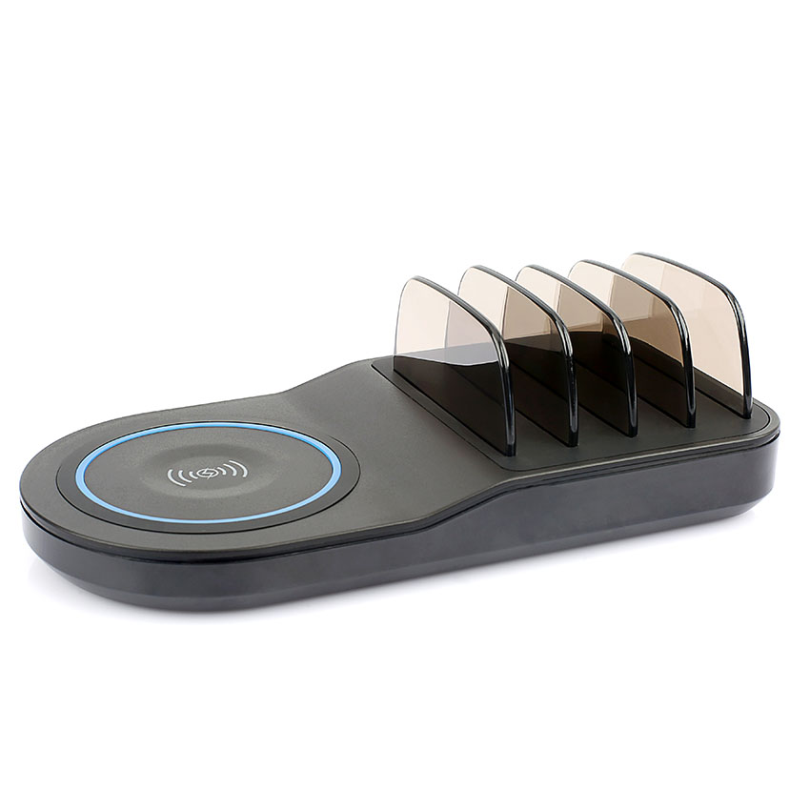
 | 2 in 1 Desktop charging station with wireless charging pad
 | Item No.: | DC404
 | For Socket: | 100-240V-50/60Hz 1.3A
 | Fast charge output: | 5V==3A,9V==2A,12V==1.5A
 | Ai output: | 2 Ai ports+ 1 USB C port share 4.4A, 22W,5V==2.4A Max each port
 | Type C output:
 | Wireless Fast charge: | compliant with 5W / 7.5W / 10W Qi-enabled smartphones
 | Total Output: | 50W Max
 | Size: | 230*42*68 MM
 | Weight: | 0.358kg
 | Accessories: | AC power cord, buffers

